Table 1
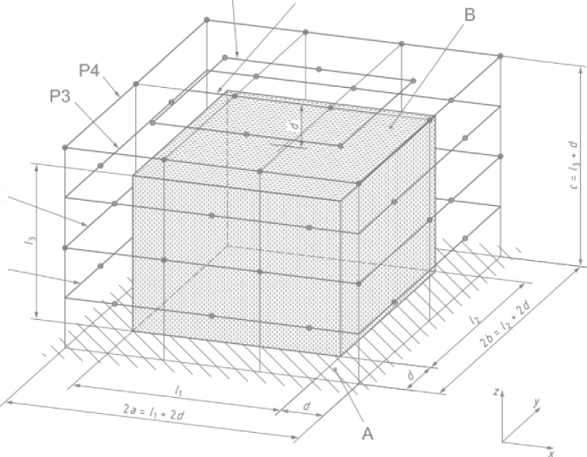
P2
P1
N-° GJW2024-2185 1 Noise Test 1.1 General description The noise test is performed according to the standard: ISO 3744:2010; Test environment: scene; Air temperature and humidity: (21.5 23.4)°C, (79.6 80.2)%RH; Atmospheric pressure: 101.3 kPa; Installation condition: Place on the ground Test voltage/frequency: 400V- 50Hz; Measurement surface: parallelepiped; Measurement radius- d—1m: Measurement surface figure! | page 4 of 7
P5 P6
Fig. 3 Measurement surface figure
1.2 Technical requirements (Assessment criterion)
LT1-ZX(ZS)-R-0002-general A0

